View Form
View Form
EmployeeID | EmployeeName | Designation | DOJ | Edit | Delete | View Salary Slip

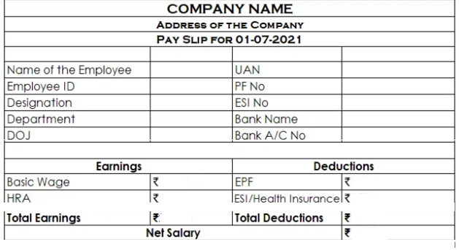

Total Earning = Basic + HRA

Total Deduction = EPF + ESI

Net Salary = Total Earning - Total Deduction

